Recovered_Sheet1
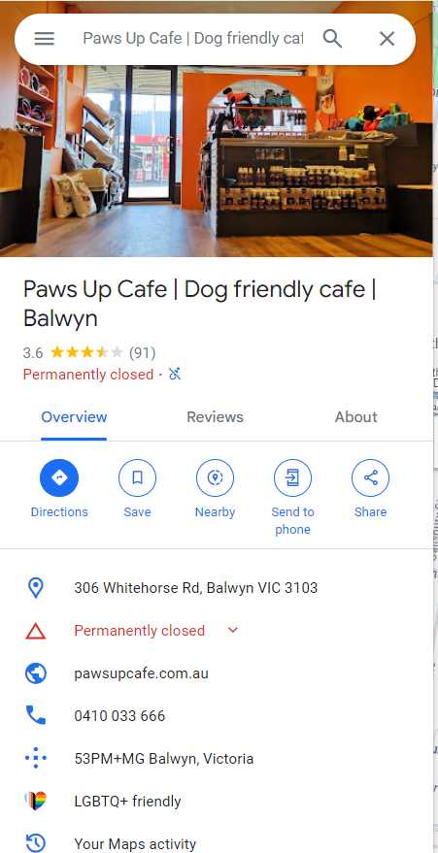

Place Closed

